Sheet1
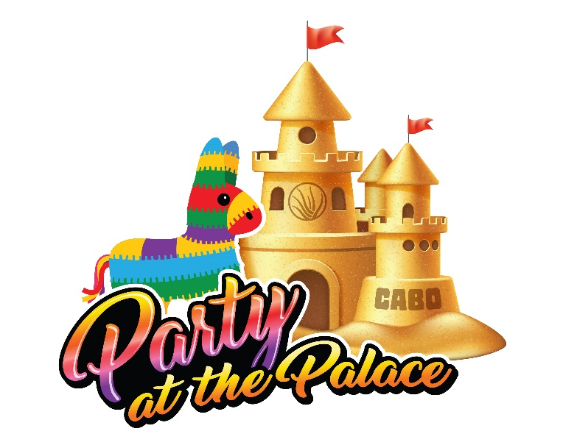
 |  |  |  | MY TRIP GOAL & TRIP TOTAL SUMMARY |  |  | Choose the Level that fits the trip you want to earn, enter the points you need here! |  | Qualifications for Consultants Join date prior to January 1, 2022 | Qualifications for New Consultants Join date after January 1, 2022 | Go for it, L'BRI wants to see you in Paradise!
 |  |  |  | My GOAL is: | TOTAL POINTS I NEED
 |  |  |  | Do not enter values on these rows, they will be automatically filled in based on the values calculated in the worksheet below. | NEW CONSULTANT SALES | 0 |  | LEVEL 4 | 40,000 | 30,000
 |  |  |  |  | SALES | 0 |  | LEVEL 3 | 35,000 | 25,000
Save the date for March 9-14, 2023 |  |  |  |  | SHOWS | 0 |  | LEVEL 2 | 30,000 | 20,000
 |  |  |  |  | PROMOTIONS | 0 |  | LEVEL 1 | 25,000 | 15,000
 |  |  |  |  | BONUS POINTS | 0
 |  |  |  |  | TOTAL POINTS EARNED | 0
 |  |  |  |  | POINTS STILL NEEDED | 0

1 | Sales from Personally Sponsored New Consultants | Month | Includes Names Below of New Consultants who Join Your Team Between July 1 - December 31
Enter the name, and then, total sales by month for each of your new Consultants, sponsored from July 1 through December 31, 2022 | Earn 1 Point for every dollar of personal sales for each new Consultant. A maximum of 7,500 points can be earned through personal sales of each new Consultant you personally sponsor. | Enter New Consultant's Name ---> |  |  |  |  |  |  |  |  | Total Sales All New Consultants
 |  | July |  |  |  |  |  |  |  |  | $-

 |  | August
 |  | September
 |  | October
 |  | November
 |  | December
 |  | Total Sales Per New Consultant

2 | Personal Sales | Month | PV |  | 3 | Qualified Shows | Month | Qshows Enter # of Shows | Show Points
Enter your personal sales PV for each month of the trip contest. | Earn 1 Point for every dollar of personal sales. A maximum of 20,000 points can be earned through personal sales. | July |  |  | Enter ONLY the total number of qualified shows, points will calculate automatically. | Earn 100 Points for each qualified Show you hold & close during the incentive qualification period. | July |  | 0
 |  | August |  |  |  |  | August |  | 0
 |  | September |  |  |  |  | September |  | 0
 |  | Octover |  |  |  |  | October |  | 0
 |  | November |  |  |  |  | November |  | 0
 |  | December |  |  |  |  | December |  | 0
 |  | Total Personal Sales Points | $- |  |  |  | Total Shows & Points | 0 | 0

4 | Personal Promotion Points | Month |  |  | 5 | Bonus Points
Give yourself points each month you promote to a new title between August 1 , 2022 and January 1, 2023 | Promotion Points Enter 2,000 points for every new title you earn | August 1 |  |  | Add any extra bonus points earned from incentives | June Incentive - $500 PV or more in June 1,000 extra points
 |  | September 1
 |  | October 1 |  |  |  | Convention - Virtual 500 extra points
 |  | November 1
 |  | December 1 |  |  |  | Convention - In-person 1,000 extra points
 |  | January 1
 |  | Total Promotion Points | 0 |  |  |  | Total Bonus Points | 0

